Sheet1
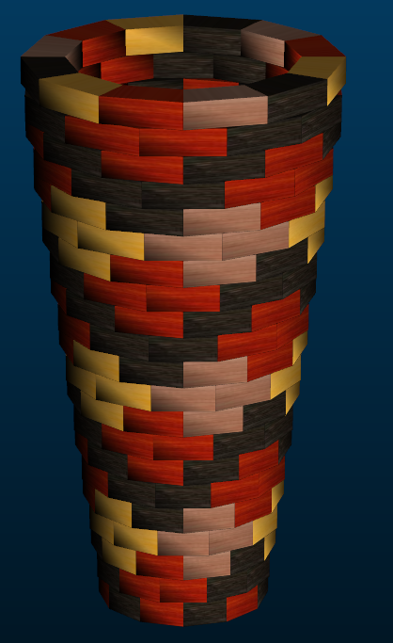
Small Ashiko: 252 Piece Pattern 2 |  |  |  | Segments per Ring: 12 |  |  | Ring Thickness: 0.875 |  |  | Angle: 15.00
 | Board |  | Segment | Diameter |  | Species
Row | Width | Length | S.E.L. | Outer | Inner | Wenge | Lgth | Blood | Lgth | Cherr | Lgth | Yello | Lgth
1 | 1.35 | 11.5 | 1.442 | 5.4" | 0.9" | 10 | 9.6 | 5 | 4.7
2 | 1.35 | 12.4 | 1.506 | 5.6" | 1.3" | 10 | 10.3 | 10 | 10.3
3 | 1.35 | 13.3 | 1.565 | 5.8" | 1.6" | 5 | 5.5 | 5 | 5.5 | 5 | 5.5 | 5 | 5.5
4 | 1.35 | 14.2 | 1.629 | 6.1" | 1.9" |  |  |  |  | 10 | 11.8 | 10 | 11.8
5 | 1.35 | 15.1 | 1.693 | 6.3" | 2.3" | 5 | 6.2 | 5 | 6.2 | 5 | 6.2 | 5 | 6.2
6 | 1.35 | 16 | 1.752 | 6.5" | 2.6" | 10 | 13.3 | 10 | 13.3
7 | 1.35 | 17 | 1.817 | 6.8" | 3" | 10 | 14.1 | 10 | 14.1
8 | 1.35 | 17.9 | 1.881 | 7" | 3.3" | 10 | 14.9 | 10 | 14.9
9 | 1.35 | 18.8 | 1.94 | 7.2" | 3.7" | 5 | 7.7 | 5 | 7.7 | 5 | 7.7 | 5 | 7.7
10 | 1.35 | 19.7 | 2.004 | 7.5" | 4" |  |  |  |  | 10 | 16.4 | 10 | 16.4
11 | 1.35 | 20.5 | 2.063 | 7.7" | 4.3" | 5 | 8.5 | 5 | 8.5 | 5 | 8.5 | 5 | 8.5
12 | 1.35 | 21.5 | 2.128 | 7.9" | 4.7" | 10 | 17.9 | 10 | 17.9
13 | 1.35 | 22.3 | 2.186 | 8.2" | 5" | 10 | 18.6 | 10 | 18.6
14 | 1.35 | 23.3 | 2.251 | 8.4" | 5.4" | 10 | 19.4 | 10 | 19.4
15 | 1.35 | 24.2 | 2.315 | 8.6" | 5.7" | 5 | 10 | 5 | 10 | 5 | 10 | 5 | 10
16 | 1.35 | 25.1 | 2.374 | 8.9" | 6.1" |  |  |  |  | 10 | 20.9 | 10 | 20.9
17 | 1.35 | 26 | 2.438 | 9.1" | 6.4" | 5 | 10.8 | 5 | 10.8 | 5 | 10.8 | 5 | 10.8
18 | 1.35 | 26.9 | 2.497 | 9.3" | 6.7" | 10 | 22.4 | 10 | 22.4
19 | 1.35 | 27.8 | 2.562 | 9.6" | 7.1" | 10 | 23.2 | 10 | 23.2
20 | 1.35 | 28.7 | 2.626 | 9.8" | 7.4" | 10 | 23.9 | 10 | 23.9
21 | 1.35 | 28.6 | 2.626 | 9.8" | 7.4" | 5 | 11.8 | 5 | 11.8
 |  |  |  |  |  | 145 | 248.1 | 140 | 243.2 | 60 | 97.8 | 60 | 97.8

